Why Excel
* The only way to learn Excel is by practicing!

* Why Excel?
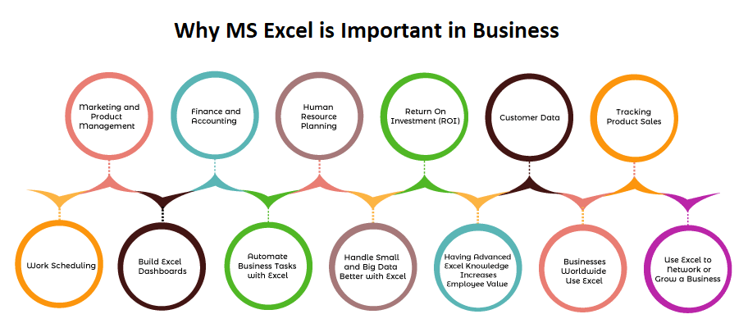

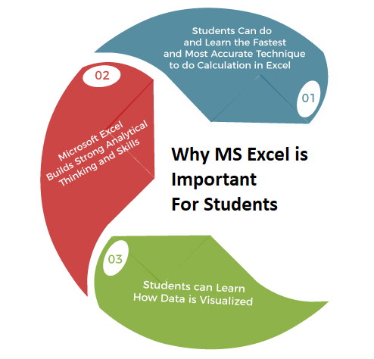

Source: https://www.javatpoint.com/why-ms-excel-is-important

